ptet
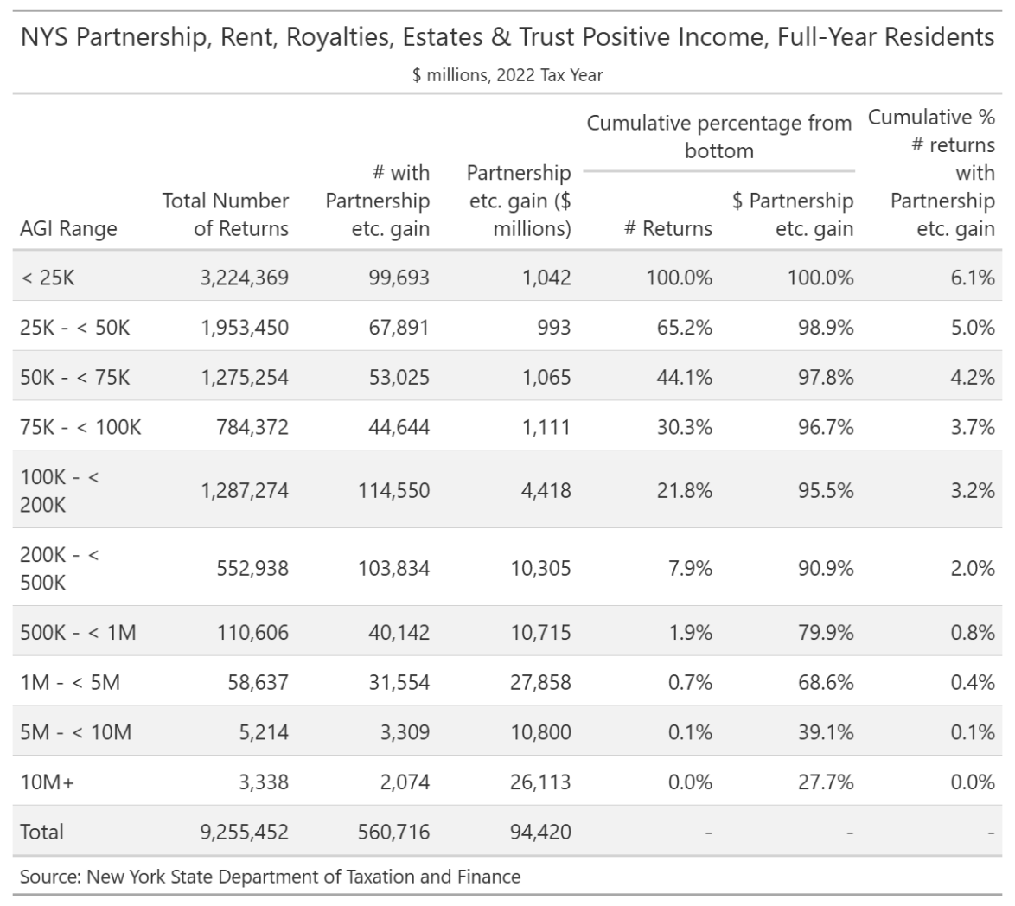
Table 2. Individual Income and Tax Data, by State and Size of Adjusted Gross Income, Tax Year 2022
[Money amounts are in thousands of dollars]
 | All returns | Size of adjusted gross income
 |  | Under $1 | $1 under $10,000 | $10,000 under $25,000 | $25,000 under $50,000 | $50,000 under $75,000 | $75,000 under $100,000 | $100,000 under $200,000 | $200,000 under $500,000 | $500,000 under $1,000,000 | $1,000,000 or more

 | (1) | (2) | (3) | (4) | (5) | (6) | (7) | (8) | (9) | (10) | (11)
NEW YORK
Adjusted gross income (AGI) [6] | 1,018,899,559 | -16,808,645 | 5,467,464 | 27,417,915 | 76,644,779 | 88,780,981 | 81,823,695 | 218,970,577 | 187,330,870 | 81,339,812 | 267,932,111
Total income: Number | 9,691,310 | 91,830 | 1,106,100 | 1,607,420 | 2,077,790 | 1,439,660 | 944,360 | 1,586,490 | 648,030 | 119,860 | 69,780
Amount | 1,029,381,815 | -16,684,699 | 5,629,330 | 27,934,391 | 77,418,259 | 89,475,553 | 82,394,051 | 220,715,651 | 189,605,612 | 82,701,476 | 270,192,191
Partnership/S-corp net income (less loss): Number | 608,490 | 26,550 | 17,270 | 34,840 | 56,240 | 52,020 | 48,370 | 139,060 | 132,710 | 52,030 | 49,410 | PTET income | 2022
Amount | 67,497,562 | -7,647,466 | -105,489 | -44,825 | 153,546 | 353,783 | 497,966 | 2,470,946 | 8,482,320 | 9,858,415 | 53,478,366 | Total | 94,420 | $m, NYS DTF
 |  |  |  |  |  |  |  |  |  |  |  | agi $500k+ | 79.9%
 |  |  |  |  |  |  |  |  |  |  |  |  | 75,442
 |  |  |  |  |  |  |  |  |  |  |  | Growth rate to 2025 | 19.5% | dob growth rates
 |  |  |  |  |  |  |  |  |  |  |  | 2025 agi >= $500k | 90,131
 |  |  |  |  |  |  |  |  |  |  |  | effective mtr | 10%
Number of returns [1] | 9,767,160 | 167,640 | 1,106,140 | 1,607,420 | 2,077,790 | 1,439,660 | 944,360 | 1,586,490 | 648,030 | 119,860 | 69,780
Number of single returns | 5,251,750 | 124,030 | 913,410 | 1,040,460 | 1,224,980 | 814,390 | 449,230 | 510,100 | 144,620 | 20,790 | 9,740 | PTET if all use it | 9,013
Number of joint returns | 2,831,560 | 31,000 | 92,030 | 219,360 | 353,990 | 310,030 | 321,780 | 886,570 | 466,850 | 93,470 | 56,480
Number of head of household returns | 1,414,570 | 7,620 | 80,920 | 316,320 | 441,150 | 261,440 | 136,690 | 141,260 | 23,990 | 3,410 | 1,770 | P & Business | 131,279
Number of individuals [2] | 17,009,510 | 226,460 | 1,126,830 | 2,517,560 | 3,465,200 | 2,380,660 | 1,701,930 | 3,428,860 | 1,633,880 | 325,340 | 202,810 | >=$500k | 104,892
Number of refund anticipation check returns [4] | 1,093,040 | 4,370 | 85,010 | 292,940 | 352,070 | 182,450 | 81,960 | 82,790 | 10,940 | 460 | 70 |  | 10,489
Number of elderly returns [5] | 2,541,640 | 57,440 | 281,580 | 355,380 | 436,380 | 366,230 | 287,950 | 508,110 | 191,600 | 35,170 | 21,800
Adjusted gross income (AGI) [6] | 1,018,899,559 | -16,808,645 | 5,467,464 | 27,417,915 | 76,644,779 | 88,780,981 | 81,823,695 | 218,970,577 | 187,330,870 | 81,339,812 | 267,932,111
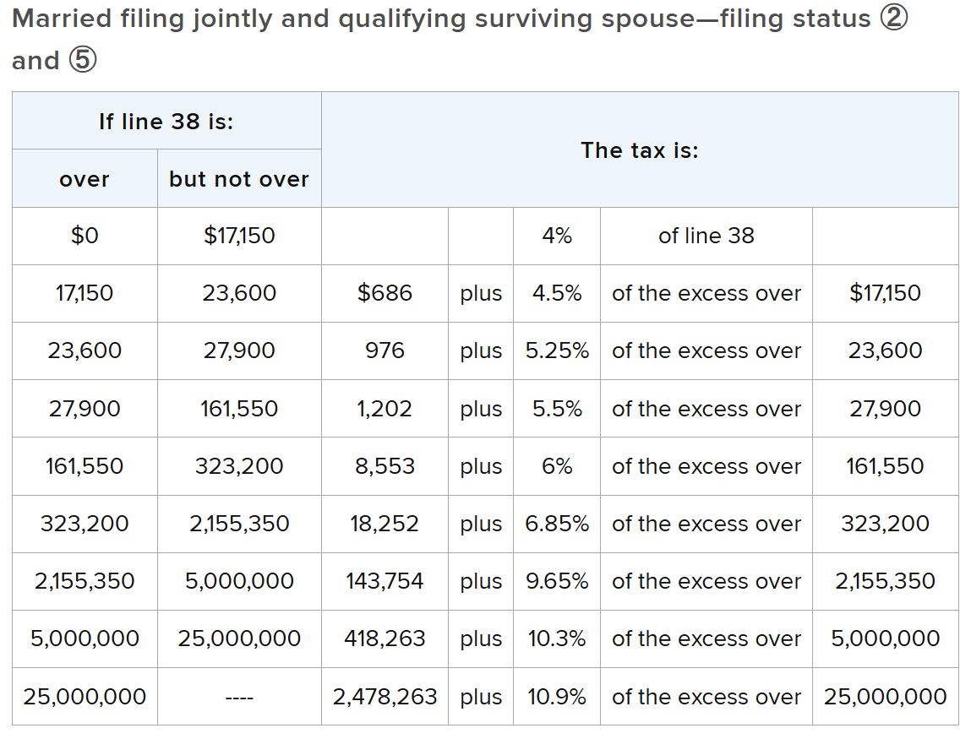
Total income: Number | 9,691,310 | 91,830 | 1,106,100 | 1,607,420 | 2,077,790 | 1,439,660 | 944,360 | 1,586,490 | 648,030 | 119,860 | 69,780
Amount | 1,029,381,815 | -16,684,699 | 5,629,330 | 27,934,391 | 77,418,259 | 89,475,553 | 82,394,051 | 220,715,651 | 189,605,612 | 82,701,476 | 270,192,191
Salaries and wages in AGI: Number | 7,729,500 | 27,030 | 611,040 | 1,150,070 | 1,780,680 | 1,251,180 | 805,420 | 1,369,120 | 572,530 | 104,950 | 57,490
Amount | 661,607,246 | 1,309,553 | 3,687,388 | 18,896,354 | 62,770,192 | 71,646,381 | 62,548,917 | 163,434,766 | 135,775,280 | 52,709,322 | 88,829,093
Taxable interest: Number | 3,530,870 | 43,230 | 216,820 | 268,530 | 439,490 | 471,070 | 431,020 | 973,930 | 510,220 | 108,810 | 67,750
Amount | 14,779,228 | 584,094 | 78,371 | 155,022 | 259,334 | 315,648 | 352,420 | 1,147,507 | 1,429,768 | 982,172 | 9,474,892
Tax-exempt interest: [7] Number | 507,220 | 6,020 | 14,230 | 21,490 | 36,230 | 45,500 | 48,810 | 138,750 | 119,350 | 40,820 | 36,040
Amount | 5,136,028 | 84,733 | 34,680 | 62,895 | 126,807 | 175,888 | 190,657 | 691,090 | 1,071,533 | 670,656 | 2,027,089
Ordinary dividends: Number | 2,224,860 | 31,800 | 115,040 | 149,760 | 235,350 | 262,500 | 251,240 | 615,270 | 401,660 | 98,670 | 63,560
Amount | 33,648,511 | 469,041 | 173,804 | 366,634 | 674,978 | 872,984 | 1,006,663 | 3,630,784 | 5,296,788 | 3,427,599 | 17,729,236
Qualified dividends: [8] Number | 2,101,460 | 29,220 | 105,090 | 137,740 | 218,010 | 245,570 | 236,300 | 584,010 | 387,310 | 96,020 | 62,200
Amount | 24,817,695 | 298,300 | 112,421 | 234,358 | 449,637 | 600,484 | 709,417 | 2,667,348 | 4,056,803 | 2,626,344 | 13,062,583
State and local income tax refunds: Number | 126,570 | 860 | 2,800 | 5,310 | 15,690 | 29,170 | 28,720 | 34,460 | 7,020 | 1,330 | 1,210
Amount | 247,013 | 7,848 | 2,002 | 5,120 | 14,971 | 26,953 | 28,162 | 40,565 | 18,381 | 14,067 | 88,944
Business or profession net income (less loss): Number | 1,837,520 | 37,470 | 312,150 | 409,780 | 302,100 | 185,190 | 132,440 | 268,690 | 141,940 | 30,440 | 17,330
Amount | 32,820,290 | -871,584 | 1,267,073 | 4,447,162 | 3,525,679 | 2,093,444 | 1,695,164 | 5,227,603 | 6,975,945 | 3,611,875 | 4,847,929
Net capital gain (less loss): Number | 2,015,460 | 43,410 | 99,980 | 139,110 | 215,420 | 230,160 | 216,410 | 538,350 | 371,790 | 96,780 | 64,060
Amount | 98,052,091 | 1,802,050 | 7,368 | 128,441 | 346,786 | 521,774 | 673,960 | 3,312,147 | 7,183,477 | 6,363,546 | 77,712,542
Taxable individual retirement arrangements distributions: Number | 912,960 | 6,900 | 47,960 | 91,600 | 125,070 | 124,070 | 115,720 | 251,900 | 117,530 | 21,010 | 11,200
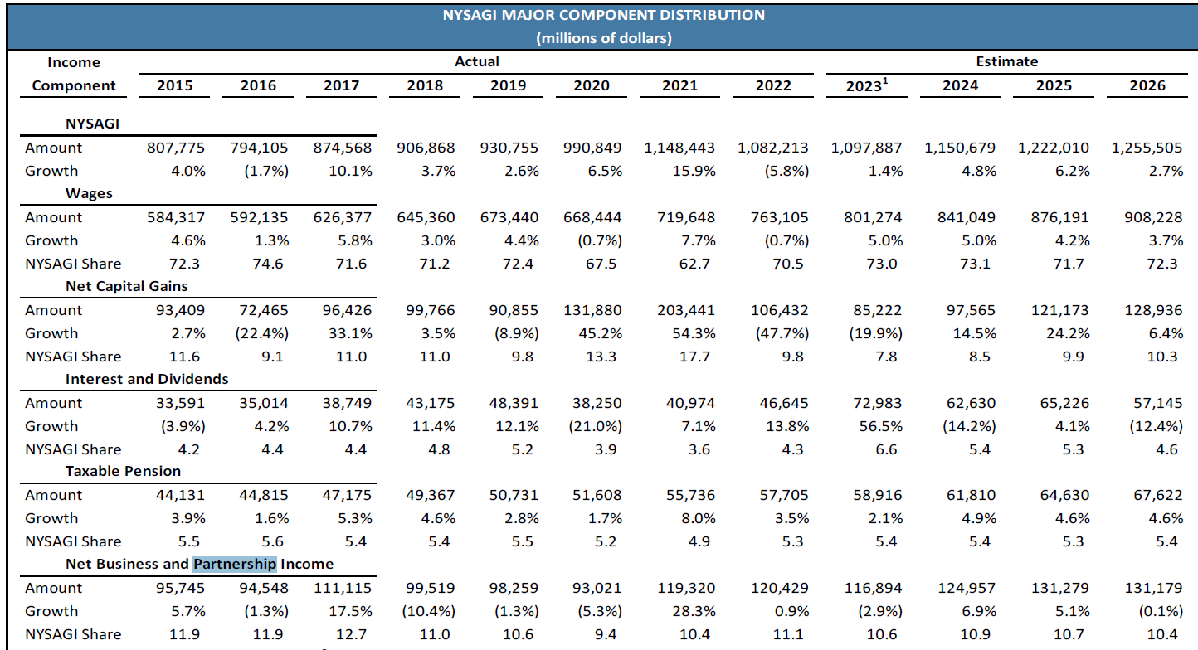
Amount | 23,793,487 | 120,937 | 197,337 | 713,267 | 1,410,339 | 1,858,745 | 2,240,472 | 7,300,900 | 6,483,174 | 1,943,271 | 1,525,045
Taxable pensions and annuities: Number | 1,768,820 | 10,830 | 109,270 | 209,970 | 285,860 | 272,220 | 235,330 | 454,630 | 161,530 | 19,700 | 9,480
Amount | 58,373,980 | 155,481 | 519,337 | 2,411,972 | 5,108,624 | 6,916,858 | 7,920,560 | 21,373,655 | 11,344,892 | 1,665,544 | 957,057
Number of farm returns | 28,080 | 2,650 | 1,920 | 3,100 | 4,580 | 3,910 | 3,240 | 5,980 | 1,930 | 420 | 350
Unemployment compensation: Number | 380,310 | 1,930 | 17,360 | 81,020 | 116,050 | 56,540 | 34,920 | 55,680 | 14,990 | 1,430 | 410
Amount | 2,570,121 | 22,618 | 100,555 | 576,498 | 831,433 | 375,594 | 218,007 | 336,530 | 95,347 | 10,276 | 3,263
Taxable social security benefits: Number | 1,427,690 | 210 | 6,500 | 150,760 | 288,880 | 252,870 | 212,310 | 365,970 | 121,130 | 18,930 | 10,130
Amount | 28,990,205 | 1,082 | 21,462 | 345,966 | 2,413,349 | 4,532,125 | 5,050,066 | 11,050,130 | 4,419,976 | 750,858 | 405,191
Partnership/S-corp net income (less loss): Number | 608,490 | 26,550 | 17,270 | 34,840 | 56,240 | 52,020 | 48,370 | 139,060 | 132,710 | 52,030 | 49,410
Amount | 67,497,562 | -7,647,466 | -105,489 | -44,825 | 153,546 | 353,783 | 497,966 | 2,470,946 | 8,482,320 | 9,858,415 | 53,478,366
Total rental and royalty net income (less loss): Number | 550,810 | 24,480 | 28,190 | 54,210 | 81,000 | 75,690 | 65,580 | 124,040 | 57,050 | 19,300 | 21,280
Amount | 35,549 | -641,435 | -58,160 | -87,117 | -299,237 | -348,264 | -230,470 | 92,037 | 390,560 | 203,841 | 1,013,794
Total statutory adjustments: Number | 2,189,510 | 18,560 | 285,720 | 411,020 | 358,220 | 267,840 | 185,070 | 391,760 | 193,610 | 44,640 | 33,070
Amount | 10,482,256 | 123,946 | 161,866 | 516,476 | 773,480 | 694,572 | 570,356 | 1,745,074 | 2,274,742 | 1,361,664 | 2,260,080
Educator expenses: Number | 285,840 | 500 | 2,120 | 10,830 | 33,050 | 42,280 | 41,090 | 105,290 | 47,400 | 2,680 | 600
Amount | 86,592 | 135 | 547 | 2,957 | 9,256 | 12,008 | 11,905 | 33,182 | 15,648 | 780 | 174
Self-employed (Keogh) retirement plans: Number | 88,800 | 320 | 410 | 1,250 | 3,490 | 4,200 | 4,660 | 18,860 | 29,730 | 13,580 | 12,300
Amount | 3,142,834 | 10,128 | 2,846 | 10,106 | 35,788 | 52,897 | 68,580 | 367,227 | 949,079 | 695,292 | 950,891
Self-employed health insurance deduction: Number | 165,620 | 3,220 | 4,780 | 8,520 | 16,400 | 16,170 | 14,300 | 38,010 | 35,790 | 14,260 | 14,170
Amount | 1,895,333 | 34,430 | 18,900 | 38,076 | 85,251 | 101,625 | 104,666 | 352,969 | 511,106 | 278,420 | 369,890
Individual retirement arrangement payments: Number | 166,490 | 890 | 2,770 | 11,840 | 37,010 | 35,620 | 19,940 | 44,080 | 11,240 | 2,030 | 1,070
Amount | 937,205 | 5,289 | 10,375 | 47,082 | 164,229 | 172,761 | 121,261 | 283,322 | 100,189 | 21,295 | 11,402
Student loan interest deduction: Number | 244,670 | 2,690 | 8,350 | 21,020 | 59,750 | 64,460 | 31,080 | 57,330 | 0 | 0 | 0
Amount | 250,060 | 3,446 | 8,990 | 23,802 | 70,272 | 70,883 | 21,948 | 50,719 | 0 | 0 | 0
Total standard deduction: Number | 8,595,240 | 0 | 1,091,400 | 1,576,130 | 2,004,490 | 1,325,310 | 813,100 | 1,271,070 | 439,930 | 55,860 | 17,980
Amount | 152,175,573 | 0 | 14,198,032 | 25,591,662 | 33,720,542 | 23,021,554 | 15,581,090 | 27,962,102 | 10,324,140 | 1,341,233 | 435,218
Basic standard deduction: Number | 8,595,240 | 0 | 1,091,400 | 1,576,130 | 2,004,490 | 1,325,310 | 813,100 | 1,271,070 | 439,930 | 55,860 | 17,980
Amount | 148,936,713 | 0 | 13,778,671 | 25,092,316 | 33,160,719 | 22,565,902 | 15,208,619 | 27,288,971 | 10,103,730 | 1,312,103 | 425,682
Additional standard deduction: Number | 1,573,010 | 0 | 217,630 | 256,850 | 279,680 | 226,630 | 178,560 | 301,070 | 95,770 | 12,610 | 4,220
Amount | 3,238,863 | 0 | 419,362 | 499,346 | 559,823 | 455,652 | 372,472 | 673,131 | 220,410 | 29,130 | 9,537
Total itemized deductions: Number | 1,003,810 | 0 | 14,590 | 31,130 | 73,220 | 114,340 | 131,250 | 315,410 | 208,090 | 64,000 | 51,800
Amount | 47,969,160 | 0 | 315,014 | 716,697 | 1,851,365 | 2,874,857 | 3,336,027 | 9,234,475 | 8,130,836 | 3,590,277 | 17,919,612
Total medical and dental expense deduction: Number | 198,190 | 0 | 9,020 | 18,010 | 32,370 | 35,490 | 30,630 | 53,690 | 17,040 | 1,560 | 380
Amount | 4,163,339 | 0 | 140,959 | 283,877 | 547,923 | 629,169 | 569,620 | 1,178,587 | 632,141 | 116,464 | 64,599
State and local income taxes: Number | 839,610 | 0 | 5,080 | 13,200 | 47,040 | 89,330 | 109,230 | 275,480 | 190,320 | 60,330 | 49,600
Amount | 41,305,711 | 0 | 24,008 | 47,340 | 162,451 | 412,712 | 677,591 | 2,903,031 | 5,316,351 | 4,558,985 | 27,203,242
State and local general sales taxes: Number | 146,930 | 0 | 7,470 | 15,030 | 22,730 | 22,200 | 20,020 | 37,200 | 16,940 | 3,430 | 1,910
Amount | 194,678 | 0 | 4,345 | 10,620 | 21,744 | 25,968 | 25,926 | 55,740 | 32,457 | 8,556 | 9,322
Real estate taxes: Number | 838,180 | 0 | 9,210 | 21,640 | 54,690 | 91,960 | 109,780 | 267,130 | 182,880 | 56,410 | 44,480
Amount | 10,729,906 | 0 | 83,761 | 185,168 | 464,705 | 730,404 | 870,439 | 2,544,968 | 2,666,284 | 1,280,475 | 1,903,702
Personal property taxes: Number | 50,400 | 0 | 430 | 1,120 | 4,370 | 7,480 | 7,680 | 16,220 | 9,430 | 2,280 | 1,410
Amount | 97,445 | 0 | 1,013 | 2,780 | 10,691 | 16,208 | 13,102 | 26,854 | 14,478 | 4,753 | 7,566
Limited state and local taxes: Number | 996,860 | 0 | 13,800 | 30,090 | 71,930 | 113,340 | 130,450 | 314,080 | 207,550 | 63,880 | 51,730
Amount | 9,056,775 | 0 | 79,798 | 182,867 | 502,785 | 912,278 | 1,156,597 | 3,013,051 | 2,057,154 | 636,498 | 515,747
Total taxes paid: Number | 999,250 | 0 | 13,880 | 30,260 | 72,240 | 113,680 | 130,840 | 314,800 | 207,880 | 63,930 | 51,750
Amount | 9,410,294 | 0 | 80,638 | 185,822 | 524,981 | 936,614 | 1,166,396 | 3,024,379 | 2,077,514 | 650,415 | 763,535
Home mortgage interest paid: Number | 764,350 | 0 | 7,260 | 16,780 | 45,660 | 81,380 | 99,700 | 248,820 | 173,220 | 53,000 | 38,550
Amount | 9,926,518 | 0 | 76,286 | 177,705 | 501,843 | 810,382 | 969,260 | 2,867,976 | 2,728,758 | 1,017,453 | 776,855
Home mortgage interest paid to personal seller: Number | 18,980 | 0 | 130 | 310 | 1,110 | 1,990 | 2,210 | 5,600 | 4,040 | 1,810 | 1,770
Amount | 204,309 | 0 | 1,321 | 2,651 | 10,071 | 16,352 | 16,820 | 46,908 | 45,377 | 30,540 | 34,269
Deductible points: Number | 27,470 | 0 | 150 | 350 | 1,190 | 2,390 | 3,140 | 9,340 | 7,460 | 2,140 | 1,310
Amount | 47,265 | 0 | 118 | 510 | 2,894 | 6,279 | 6,888 | 17,432 | 10,284 | 1,892 | 968
Investment interest paid: Number | 74,110 | 0 | 590 | 790 | 1,680 | 2,270 | 2,740 | 10,590 | 18,120 | 13,360 | 23,960
Amount | 2,839,053 | 0 | 1,470 | 2,908 | 6,386 | 9,438 | 12,007 | 58,965 | 179,935 | 217,487 | 2,350,457
Total charitable contributions: Number | 812,690 | 0 | 6,910 | 16,990 | 47,990 | 82,820 | 101,500 | 264,190 | 184,680 | 58,290 | 49,320
Amount | 19,713,530 | 0 | 8,752 | 43,206 | 191,176 | 378,073 | 501,207 | 1,715,963 | 2,046,863 | 1,318,034 | 13,510,256
Other non-limited miscellaneous deduction: Number | 58,670 | 0 | 380 | 1,450 | 3,950 | 5,690 | 6,000 | 15,480 | 10,820 | 4,790 | 10,120
Amount | 1,533,944 | 0 | 3,217 | 16,897 | 58,156 | 84,442 | 90,644 | 314,363 | 379,947 | 215,611 | 370,667
Qualified business income deduction: Number | 1,545,410 | 0 | 2,850 | 138,080 | 252,320 | 191,300 | 162,420 | 395,660 | 281,400 | 70,920 | 50,450
Amount | 11,441,774 | 0 | 559 | 95,841 | 418,628 | 445,200 | 438,090 | 1,536,309 | 2,141,007 | 1,004,260 | 5,361,880
Taxable income: Number | 7,762,960 | 0 | 28,210 | 890,860 | 2,042,240 | 1,436,730 | 942,830 | 1,584,960 | 647,630 | 119,770 | 69,730
Amount | 837,303,692 | 0 | 60,290 | 4,563,760 | 40,851,682 | 62,538,195 | 62,528,222 | 180,296,067 | 166,777,889 | 75,420,553 | 244,267,034
Income tax before credits: Number | 7,716,110 | 770 | 19,350 | 874,050 | 2,027,310 | 1,433,060 | 941,310 | 1,583,470 | 647,330 | 119,750 | 69,730
Amount | 177,890,617 | 20,929 | 6,519 | 451,694 | 4,412,329 | 7,617,499 | 8,691,600 | 28,705,734 | 33,981,592 | 19,784,395 | 74,218,326
Alternative minimum tax: Number | 12,400 | 300 | 30 | 40 | 100 | 120 | 180 | 1,250 | 2,330 | 1,910 | 6,140
Amount | 299,036 | 18,685 | 200 | 583 | 1,869 | 1,079 | 2,354 | 12,034 | 42,965 | 33,868 | 185,399
Excess advance premium tax credit repayment: Number | 79,190 | 370 | 1,270 | 3,490 | 24,630 | 22,490 | 11,940 | 12,120 | 2,540 | 260 | 80
Amount | 113,273 | 149 | 405 | 1,396 | 15,999 | 28,769 | 21,065 | 33,284 | 10,517 | 1,345 | 344
Total tax credits: [9] Number | 3,328,330 | 360 | 6,040 | 296,620 | 864,970 | 525,620 | 356,810 | 757,720 | 398,120 | 70,740 | 51,360
Amount | 9,279,447 | 2,892 | 641 | 101,144 | 950,482 | 990,938 | 767,877 | 1,876,611 | 1,116,030 | 300,591 | 3,172,241
Foreign tax credit: Number | 754,760 | 20 | 4,280 | 16,660 | 56,330 | 76,560 | 80,290 | 223,540 | 190,090 | 60,000 | 47,010
Amount | 3,046,087 | 8 | 247 | 1,131 | 5,743 | 10,713 | 14,590 | 65,767 | 182,028 | 196,929 | 2,568,931
Child and dependent care credit: Number | 328,490 | ** | 40 | 10,130 | 61,440 | 46,740 | 33,780 | 95,660 | 63,440 | 12,020 | 5,250
Amount | 207,317 | ** | 21 | 3,122 | 38,654 | 29,245 | 21,645 | 62,531 | 41,113 | 7,494 | 3,492
Nonrefundable education credit: Number | 460,170 | 50 | 400 | 72,450 | 146,070 | 91,830 | 51,950 | 97,420 | 0 | 0 | 0
Amount | 516,470 | 40 | 160 | 36,868 | 167,912 | 118,152 | 62,099 | 131,239 | 0 | 0 | 0
Retirement savings contributions credit: Number | 398,970 | 40 | 110 | 78,150 | 257,040 | 63,630 | 0 | 0 | 0 | 0 | 0
Amount | 76,811 | 37 | 24 | 14,456 | 50,936 | 11,358 | 0 | 0 | 0 | 0 | 0
Nonrefundable child and other dependent tax credit: Number | 2,092,930 | 190 | 370 | 128,420 | 557,150 | 371,640 | 255,020 | 534,650 | 244,660 | 850 | 0
Amount | 4,253,029 | 325 | 154 | 44,169 | 671,203 | 782,666 | 617,724 | 1,424,674 | 710,810 | 1,304 | 0
Residential energy tax credit: Number | 153,630 | 0 | 30 | 2,980 | 17,580 | 24,730 | 23,840 | 56,820 | 23,670 | 2,900 | 1,090
Amount | 296,635 | 0 | 8 | 844 | 10,879 | 25,541 | 33,810 | 121,534 | 79,000 | 14,297 | 10,722
Self-employment tax: Number | 1,477,740 | 12,150 | 271,580 | 366,930 | 226,400 | 127,770 | 92,540 | 195,380 | 122,980 | 34,700 | 27,320
Amount | 5,970,560 | 47,101 | 201,302 | 695,767 | 621,313 | 396,495 | 335,508 | 933,770 | 1,023,741 | 509,932 | 1,205,631
Total premium tax credit: Number | 118,130 | 1,730 | 4,660 | 14,530 | 47,120 | 30,370 | 11,280 | 8,440 | 0 | 0 | 0
Amount | 491,633 | 11,494 | 23,200 | 68,698 | 197,098 | 113,099 | 48,024 | 30,020 | 0 | 0 | 0
Advance premium tax credit: Number | 130,070 | 1,910 | 4,950 | 14,450 | 47,140 | 30,940 | 14,260 | 13,480 | 2,590 | 270 | 80
Amount | 550,109 | 9,684 | 21,602 | 60,386 | 191,800 | 129,822 | 64,741 | 59,389 | 10,937 | 1,393 | 355
Total tax payments: Number | 9,021,410 | 80,720 | 752,160 | 1,444,780 | 1,995,570 | 1,412,950 | 931,920 | 1,572,030 | 643,050 | 118,870 | 69,360
Amount | 200,164,990 | 583,123 | 727,833 | 4,201,964 | 7,944,462 | 9,076,289 | 9,516,538 | 29,511,103 | 34,175,936 | 20,203,543 | 84,224,199
Earned income credit: [10] Number | 1,451,910 | 10,360 | 339,810 | 635,160 | 446,490 | 20,080 | 0 | 0 | 0 | 0 | 0
Amount | 3,464,518 | 15,734 | 310,957 | 1,972,077 | 1,150,780 | 14,970 | 0 | 0 | 0 | 0 | 0
Earned income credit with no qualifying children: Number | 485,400 | 6,580 | 251,830 | 226,990 | 0 | 0 | 0 | 0 | 0 | 0 | 0
Amount | 175,993 | 2,062 | 104,276 | 69,655 | 0 | 0 | 0 | 0 | 0 | 0 | 0
Earned income credit with one qualifying child: Number | 496,310 | 1,810 | 55,750 | 220,440 | 218,310 | 0 | 0 | 0 | 0 | 0 | 0
Amount | 1,269,555 | 4,765 | 120,628 | 786,081 | 358,081 | 0 | 0 | 0 | 0 | 0 | 0
Earned income credit with two qualifying children: Number | 310,850 | 1,160 | 22,100 | 126,580 | 152,920 | 8,090 | 0 | 0 | 0 | 0 | 0
Amount | 1,266,394 | 4,918 | 56,762 | 720,042 | 479,978 | 4,694 | 0 | 0 | 0 | 0 | 0
Earned income credit with three or more qualifying children: Number | 159,360 | 820 | 10,130 | 61,160 | 75,260 | 11,990 | 0 | 0 | 0 | 0 | 0
Amount | 752,577 | 3,989 | 29,291 | 396,298 | 312,722 | 10,277 | 0 | 0 | 0 | 0 | 0
Excess earned income credit (refundable): [11] Number | 1,194,760 | 7,280 | 247,670 | 535,740 | 388,850 | 15,210 | 0 | 0 | 0 | 0 | 0
Amount | 2,835,621 | 11,607 | 241,630 | 1,605,268 | 966,085 | 11,031 | 0 | 0 | 0 | 0 | 0
Refundable child tax credit or additional child tax credit: Number | 977,960 | 6,710 | 75,740 | 383,190 | 392,560 | 85,920 | 17,370 | 12,850 | 3,610 | 20 | 0
Amount | 1,845,090 | 20,691 | 62,236 | 698,803 | 806,368 | 168,435 | 40,692 | 39,086 | 8,755 | 24 | 0
Refundable education credit: [12] Number | 352,030 | 6,080 | 31,630 | 72,680 | 88,260 | 52,670 | 32,470 | 68,240 | 0 | 0 | 0
Amount | 314,657 | 5,821 | 28,409 | 63,603 | 76,379 | 47,896 | 27,965 | 64,584 | 0 | 0 | 0
Net premium tax credit: Number | 49,190 | 1,370 | 2,770 | 9,270 | 21,180 | 9,510 | 3,020 | 2,080 | 0 | 0 | 0
Amount | 69,467 | 3,124 | 3,606 | 12,377 | 25,912 | 13,916 | 5,447 | 5,085 | 0 | 0 | 0
Income tax after credits: Number | 6,941,530 | 550 | 17,980 | 653,000 | 1,590,410 | 1,345,060 | 924,240 | 1,574,690 | 646,420 | 119,580 | 69,600
Amount | 168,611,225 | 18,038 | 5,881 | 350,553 | 3,461,859 | 6,626,560 | 7,923,740 | 26,829,134 | 32,865,562 | 19,483,813 | 71,046,085
Total tax liability: [13] Number | 7,654,310 | 14,970 | 296,720 | 940,320 | 1,689,150 | 1,367,910 | 929,900 | 1,578,330 | 647,460 | 119,800 | 69,770
Amount | 180,675,208 | 77,077 | 211,229 | 1,056,901 | 4,111,191 | 7,060,385 | 8,299,094 | 27,895,969 | 34,584,639 | 20,732,220 | 76,646,503
Total additional Medicare tax: Number | 552,320 | 1,320 | 80 | 160 | 420 | 450 | 710 | 44,640 | 351,830 | 96,370 | 56,340
Amount | 1,526,577 | 2,638 | 77 | 194 | 750 | 684 | 812 | 11,396 | 294,672 | 341,545 | 873,809
Net investment income tax: Number | 524,070 | ** | ** | 20 | 40 | 50 | 70 | 13,580 | 344,680 | 101,830 | 63,810
Amount | 3,883,923 | ** | ** | 76 | 45 | 18 | 31 | 2,915 | 284,382 | 347,359 | 3,249,097
Tax due at time of filing: [14] Number | 2,610,830 | 7,820 | 227,070 | 234,940 | 396,200 | 369,680 | 309,260 | 627,640 | 343,470 | 67,560 | 27,180
Amount | 16,279,795 | 22,474 | 119,611 | 310,711 | 596,032 | 714,082 | 790,401 | 2,605,174 | 3,819,794 | 2,653,892 | 4,647,624
Total overpayments: Number | 6,738,930 | 76,610 | 649,790 | 1,301,910 | 1,663,850 | 1,064,800 | 631,890 | 954,150 | 301,950 | 51,660 | 42,320
Amount | 35,465,593 | 527,655 | 635,561 | 3,450,209 | 4,418,796 | 2,718,747 | 1,995,067 | 4,180,284 | 3,352,788 | 2,079,330 | 12,107,156
Overpayments refunded: [15] Number | 6,499,320 | 72,410 | 643,520 | 1,293,060 | 1,648,910 | 1,047,760 | 614,030 | 899,500 | 241,000 | 25,920 | 13,210
Amount | 21,699,439 | 373,017 | 614,979 | 3,412,063 | 4,340,393 | 2,623,549 | 1,880,199 | 3,650,159 | 2,014,382 | 717,440 | 2,073,258
Credited to next year's estimated tax: Number | 303,910 | 5,370 | 7,580 | 11,950 | 20,790 | 23,400 | 23,850 | 72,340 | 75,540 | 30,140 | 32,950
Amount | 13,766,155 | 154,639 | 20,582 | 38,146 | 78,404 | 95,198 | 114,868 | 530,124 | 1,338,406 | 1,361,890 | 10,033,898
** Not shown to avoid disclosure of information about specific taxpayers. However, the data are combined with data in an adjacent size class, as appropriate, and included in the appropriate totals.
[1] "Number," here, and elsewhere, represents number of returns, unless otherwise specified. The number of returns have been rounded to the nearest ten.
[2] Beginning in 2018, personal exemption deductions were suspended for the primary, secondary, and dependent taxpayers. However, the data used to create the “Number of individuals”—filing status, dependent status indicator, and identifying dependent information—are still available on the Form 1040. This field is based on these data.
[3] The "Number of volunteer prepared returns" shows counts of returns prepared by IRS-certified volunteers to taxpayers with limited income, persons with disabilities, limited English speaking taxpayers, current and former members of the military, and taxpayers who are 60 years of age and older.
[4] These data do not distinguish between refund anticipation loans and refund advances.
[5] Includes primary taxpayers 60 years of age or older.
[6] Less deficit.
[7] Not included in total income
[8] "Qualified dividends" are ordinary dividends received that meet certain conditions and receive preferential tax rates. The maximum qualified dividends tax rate is 20%.
[9] "Total tax credits" represent the summation of taxpayer reported credit items made up in the calculation of the total credits line of Form 1040. It does not include the "earned income credit" and "refundable education credit," which are shown separately below in the table.
[10] "Earned income credit" includes both the refundable and non-refundable portions. The non-refundable portion could reduce income tax and certain related taxes to zero. The earned income credit amounts in excess of total tax liability, or amounts when there was no tax liability at all, were refundable. See the footnote below for explanation of the refundable portion of the earned income credit.
[11] The refundable portion of the "earned income credit" equals "total income tax" minus the "earned income credit". If the result is negative, this amount is considered the refundable portion. No other refundable credits were taken into account for this calculation.
[12] The "refundable education credit" can partially or totally offset tax liability as well as be totally refundable.
[13] "Total tax liability" differs from "Income tax," in that "Total tax liability" includes the taxes from recapture of certain prior-year credits, tax applicable to individual retirement arrangements (IRA's), social security taxes on self-employment income and on certain tip income, advanced earned income payments, household employment taxes, and certain "other taxes" listed in the Form 1040 instructions.
[14] Reflects payments to or withholdings made to "Total tax liability". This is the amount the tax filer owes when the income tax return is filed.
[15] The amount of overpayments the tax filer requested to have refunded.
[16] Returns from Puerto Rico represent individuals who are employees of the U.S government or earned income outside of Puerto Rico, but within the U.S., and the amount is above the filing threshold. For more information on Puerto Rican returns, see:
https://www.irs.gov/taxtopics/tc901
[17] Includes, for example, returns filed from Army Post Office and Fleet Post Office addresses by members of the armed forces stationed overseas; and returns filed by other U.S. citizens abroad.
[18] Less than $500.
NOTE: This table presents aggregates of all returns filed and processed through the Individual Master File (IMF) system during Calendar Year 2023, including any returns filed for tax years preceding 2022.
This table is based on tax returns as initially processed by IRS and does not reflect amended returns or errors that were corrected after initial processing. In general, during administrative or Master File processing, taxpayer reporting discrepancies are corrected only to the extent necessary. These statistics should, therefore, be used with the knowledge that some of the data have not been perfected or edited for statistical purposes and that U.S. totals in this table may not be altogether comparable to U.S. totals published in Individual Income Tax Returns, IRS Publication 1304, as a result.
Classification by State was usually based on the taxpayer's home address. However, some taxpayers may have used the address of a tax lawyer, or accountant, or the address of a place of business; moreover, such addresses could each have been located in a State other than the State in which the taxpayer resided.
For explanation of the tax law changes which could affect the year-to-year analysis of data, refer to the respective years' "Individual Income Tax Returns," Publication1304, Introduction and Changes in Law section. For further explanation of the tax terms, refer to the respective years' "Individual Income Tax Returns," Publication 1304, Explanation of Terms section.
Note: Number of returns and amounts may not add to totals because of rounding.
SOURCE: IRS, Statistics of Income Division, Individual Master File System, January 2025.

Sheet2
